Intro
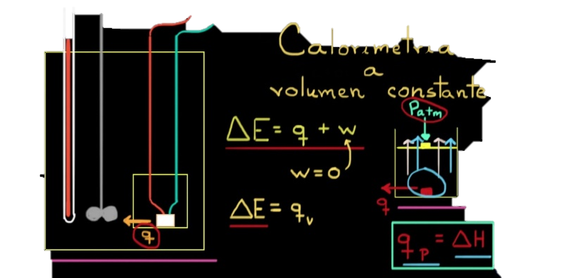

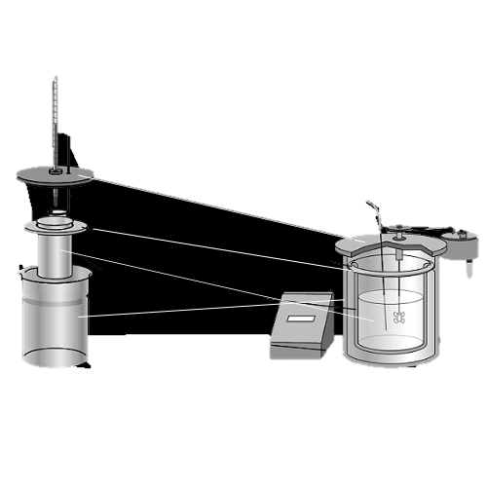

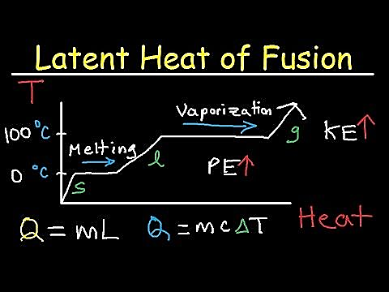
Calorimetro


In partnership with NASA

Un calorímetro un dispositivo para medir la cantidad de calor liberado o absorbido en cualquier proceso físico, químico o biológico.

Siguiente >

Data In
Datos de temperatura
Se recopilan los datos del sensor DS18B20 por el puerto COM3
Current Data
Time | CH1
11:22:02 | 20.69
Grafica General
 | Datos de temperatura | Datos de temperatura
22:02.2 | 1900-01-20 16:33:36
Historical Data
Time | 0:00:00
24:24.3 | 1900-01-20 13:26:24
24:25.6 | 1900-01-20 12:00:00
24:26.9 | 1900-01-20 12:00:00
24:28.2 | 1900-01-20 13:26:24
24:29.6 | 1900-01-20 12:00:00
24:30.9 | 1900-01-20 12:00:00
24:32.2 | 1900-01-20 13:26:24
24:33.5 | 1900-01-20 12:00:00
24:34.8 | 1900-01-20 12:00:00
24:36.1 | 1900-01-20 12:00:00
24:37.5 | 1900-01-20 12:00:00
24:38.8 | 1900-01-20 12:00:00
24:40.1 | 1900-01-20 12:00:00
24:41.4 | 1900-01-20 12:00:00
24:42.7 | 1900-01-20 12:00:00
Grafica Detallada
Historical Data
Time | CH1
11:24:24 | 20.56
11:24:26 | 20.5
11:24:27 | 20.5
11:24:28 | 20.56
11:24:30 | 20.5
11:24:31 | 20.5
11:24:32 | 20.56
11:24:34 | 20.5
11:24:35 | 20.5
11:24:36 | 20.5
11:24:37 | 20.5
11:24:39 | 20.5
11:24:40 | 20.5
11:24:41 | 20.5
11:24:43 | 20.5 | < Anterior | Siguiente >

Settings
Workbook Settings
Settings below will affect how data is read into the current workbook from data sources. Clear a field's contents to revert to its default setting.

Data interval (ms): | 150

Data rows: | 15

Data channels: | 10

Data orientation: | Newest last

WARNING: Changing settings may result in the loss of content and/or custom formatting in the Data In and Data Out worksheets. Always save before changing values.

Siguiente >
< Anterior

